q1
Total Sales For Menu Items
Row Labels | Count of price
Angus Third Pounder | 149
Apple Slices | 66
Bacon Clubhouse Burger | 119
Big Mac | 229
Breakfast Burrito | 148
Bulgogi Burger | 212
Cheesy Bacon Fries | 78
Chicken Alfredo Pasta | 87
Chicken McNuggets (10-piece) | 107
Chicken McNuggets (6-piece) | 175
Chicken Parm Sandwich | 134
Chicken Snack Wrap | 45
Chocolate Shake (Large) | 126
Double Cheeseburger | 86
Filet-O-Fish | 115
French Fries (Large) | 210
Grilled Chicken Caesar Salad | 77
Guacamole Chicken Burger | 71
item_name | 44
McChicken | 126
McDouble | 100
McLobster Roll | 90
McPlant | 81
Meatball Marinara | 164
Mozzarella Sticks | 172
Quarter Pounder with Cheese | 186
Side Salad | 184
Spaghetti Bolognese | 121
Spicy Chicken McWrap | 117
Steak & Cheese McWrap | 63
Sweet and Sour Chicken McNuggets (6-piece) | 166
Teriyaki Chicken Sandwich | 200
Veggie Deluxe | 138
Grand Total | 4186

q2
Row Labels | Sum of order_id
2023-03-01 | 85244
2023-03-02 | 104519
2023-03-03 | 80663
2023-03-04 | 89328
2023-03-05 | 128804
Orders placed on Every Single day
2023-03-06 | 134604
2023-03-07 | 152414
2023-03-08 | 95258
2023-03-09 | 88502
2023-03-10 | 118403
2023-03-11 | 128392
2023-03-12 | 126111
2023-03-13 | 179192
2023-03-14 | 129708
2023-03-15 | 144511
2023-03-16 | 150847
2023-03-17 | 184458
2023-03-18 | 96012
2023-03-19 | 148055
2023-03-20 | 168641
2023-03-21 | 142595
2023-03-22 | 67208
2023-03-23 | 92145
2023-03-24 | 147256
2023-03-25 | 139093
2023-03-26 | 125734
2023-03-27 | 173246
2023-03-28 | 196138
2023-03-29 | 119819
2023-03-30 | 137187
2023-03-31 | 181450
Grand Total | 4055537

q3
Most Frequently Order Items
Row Labels | Count of menu_item_id
Burger | 1233
Chicken | 891
Sandwich | 477
Sides | 422
Pasta | 372
Fries | 288
Breakfast | 148
Shakes | 126
Wraps | 108
Salad | 77
Grand Total | 4142

q4
Row Labels | Sum of price
Breakfast | 412.92
Burger | 7196.97
Chicken | 4242.39
Total Revenue By Category
Fries | 879.12
Pasta | 3136.28
Salad | 422.73
Sandwich | 2913.63
Shakes | 376.74
Sides | 946.44
Wraps | 385.92
Grand Total | 20913.14

q5
Revenue Compare Over Months
Sum of price | Column Labels
Row Labels | Mar | Grand Total
Breakfast | 412.92 | 412.92
Burger | 7196.97 | 7196.97
Chicken | 4242.39 | 4242.39
Fries | 879.12 | 879.12
Pasta | 3136.28 | 3136.28
Salad | 422.73 | 422.73
Sandwich | 2913.63 | 2913.63
Shakes | 376.74 | 376.74
Sides | 946.44 | 946.44
Wraps | 385.92 | 385.92
#N/A | #N/A | #N/A
Grand Total | #N/A | #N/A

q6
Row Labels | Average of item_id
Breakfast | 117
Burger | 109.9026764
Chicken | 109.40291807
Average Items Sold By Category
Fries | 110.0625
Pasta | 124.90860215
Salad | 128
Sandwich | 126.51991614
Shakes | 129
Sides | 116.82464455
Wraps | 115.58333333
Grand Total | 115.09198455

q7
Row Labels | Sum of order_id
1-Mar | 351863
2-Mar | 497821
3-Mar | 487178
4-Mar | 535520
5-Mar | 529516
6-Mar | 557851
7-Mar | 543153
8-Mar | 523811
9-Mar | 547511
10-Mar | 579974
11-Mar | 546932
12-Mar | 483005
13-Mar | 737273
14-Mar | 527614
15-Mar | 542828
16-Mar | 621131
17-Mar | 792461
18-Mar | 543927
19-Mar | 662023
20-Mar | 694389
21-Mar | 636801
22-Mar | 364834
23-Mar | 635099
24-Mar | 628677
25-Mar | 571409
26-Mar | 683893
27-Mar | 851103
28-Mar | 712296
29-Mar | 672876
30-Mar | 701758
31-Mar | 848872
Grand Total | 18613399

q10
Top 5 Sales Items
Row Labels | Sum of price
Burger | 7196.97
Chicken | 4242.39
Pasta | 3136.28
Sandwich | 2913.63
Sides | 946.44
Grand Total | 18435.71

q9
Count of price | Column Labels
Row Labels | Breakfast | Burger | Chicken | Fries | Pasta | Salad | Sandwich | Shakes | Sides | Wraps | Grand Total
Mar | 148 | 1233 | 891 | 288 | 372 | 77 | 477 | 126 | 422 | 108 | 4142
Grand Total | 148 | 1233 | 891 | 288 | 372 | 77 | 477 | 126 | 422 | 108 | 4142

Sheet1
McDonald Menu Dashboard

Total Sales For Menu Items
 | Total
Angus Third Pounder | 149
Apple Slices | 66
Bacon Clubhouse Burger | 119
Big Mac | 229
Breakfast Burrito | 148
Bulgogi Burger | 212
Cheesy Bacon Fries | 78
Chicken Alfredo Pasta | 87
Chicken McNuggets (10-piece) | 107
Chicken McNuggets (6-piece) | 175
Chicken Parm Sandwich | 134
Chicken Snack Wrap | 45
Chocolate Shake (Large) | 126
Double Cheeseburger | 86
Filet-O-Fish | 115
French Fries (Large) | 210
Grilled Chicken Caesar Salad | 77
Guacamole Chicken Burger | 71
item_name | 44
McChicken | 126
McDouble | 100
McLobster Roll | 90
McPlant | 81
Meatball Marinara | 164
Mozzarella Sticks | 172
Quarter Pounder with Cheese | 186
Side Salad | 184
Spaghetti Bolognese | 121
Spicy Chicken McWrap | 117
Steak & Cheese McWrap | 63
Sweet and Sour Chicken McNuggets (6-piece) | 166
Teriyaki Chicken Sandwich | 200
Veggie Deluxe | 138
Total Orders palced each day
 | Total
3/1/2023 | 85244
3/2/2023 | 104519
3/3/2023 | 80663
3/4/2023 | 89328
3/5/2023 | 128804
3/6/2023 | 134604
3/7/2023 | 152414
3/8/2023 | 95258
3/9/2023 | 88502
3/10/2023 | 118403
3/11/2023 | 128392
3/12/2023 | 126111
3/13/2023 | 179192
3/14/2023 | 129708
3/15/2023 | 144511
3/16/2023 | 150847
3/17/2023 | 184458
3/18/2023 | 96012
3/19/2023 | 148055
3/20/2023 | 168641
3/21/2023 | 142595
3/22/2023 | 67208
3/23/2023 | 92145
3/24/2023 | 147256
3/25/2023 | 139093
3/26/2023 | 125734
3/27/2023 | 173246
3/28/2023 | 196138
3/29/2023 | 119819
3/30/2023 | 137187
3/31/2023 | 181450
Most Frequently Order Items
 | Total
Burger | 1233
Chicken | 891
Sandwich | 477
Sides | 422
Pasta | 372
Fries | 288
Breakfast | 148
Shakes | 126
Wraps | 108
Salad | 77
Total Revenue By Category
 | Total
Breakfast | 412.92
Burger | 7196.97
Chicken | 4242.39
Fries | 879.12
Pasta | 3136.28
Salad | 422.73
Sandwich | 2913.63
Shakes | 376.74
Sides | 946.44
Wraps | 385.92

Revenue Compare Over Months
 | Mar
Breakfast | 412.92
Burger | 7196.97
Chicken | 4242.39
Fries | 879.12
Pasta | 3136.28
Salad | 422.73
Sandwich | 2913.63
Shakes | 376.74
Sides | 946.44
Wraps | 385.92
#N/A | #N/A
Average Items Sold By Category
 | Total
Breakfast | 117
Burger | 109.9026764
Chicken | 109.40291807
Fries | 110.0625
Pasta | 124.90860215
Salad | 128
Sandwich | 126.51991614
Shakes | 129
Sides | 116.82464455
Wraps | 115.58333333
Top 5 Sales Items
 | Total
Burger | 7196.97
Chicken | 4242.39
Pasta | 3136.28
Sandwich | 2913.63
Sides | 946.44
 | Breakfast | Burger | Chicken | Fries | Pasta | Salad | Sandwich | Shakes | Sides | Wraps
Mar | 148 | 1233 | 891 | 288 | 372 | 77 | 477 | 126 | 422 | 108

Sheet2
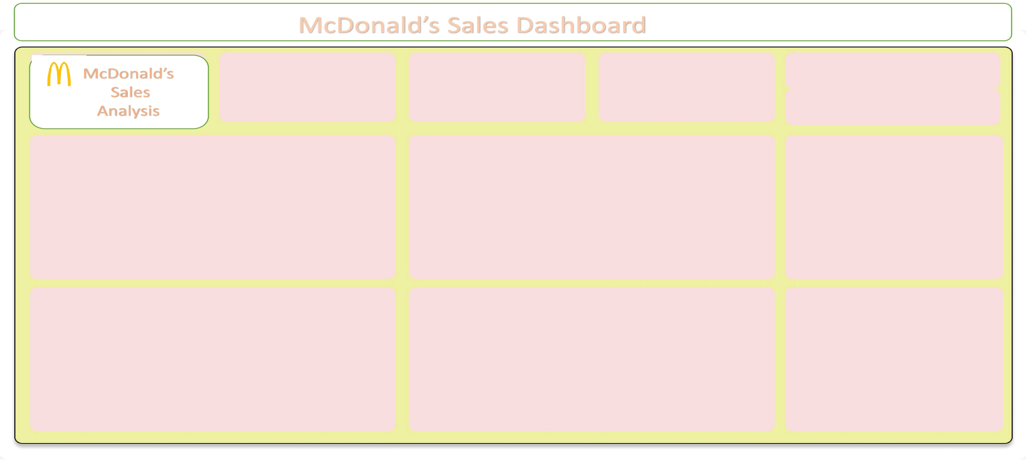
McDonald's Sales Dashboard

Top Food Category
Total Sales
Total Orders
cDonald's Sales Analysis
Burger
$61626.29
5370

Total Sales For Menu Items
 | Total
Angus Third Pounder | 149
Apple Slices | 66
Bacon Clubhouse Burger | 119
Big Mac | 229
Breakfast Burrito | 148
Bulgogi Burger | 212
Cheesy Bacon Fries | 78
Chicken Alfredo Pasta | 87
Chicken McNuggets (10-piece) | 107
Chicken McNuggets (6-piece) | 175
Chicken Parm Sandwich | 134
Chicken Snack Wrap | 45
Chocolate Shake (Large) | 126
Double Cheeseburger | 86
Filet-O-Fish | 115
French Fries (Large) | 210
Grilled Chicken Caesar Salad | 77
Guacamole Chicken Burger | 71
item_name | 44
McChicken | 126
McDouble | 100
McLobster Roll | 90
McPlant | 81
Meatball Marinara | 164
Mozzarella Sticks | 172
Quarter Pounder with Cheese | 186
Side Salad | 184
Spaghetti Bolognese | 121
Spicy Chicken McWrap | 117
Steak & Cheese McWrap | 63
Sweet and Sour Chicken McNuggets (6-piece) | 166
Teriyaki Chicken Sandwich | 200
Veggie Deluxe | 138
Total Orders palced each day
 | Total
3/1/2023 | 85244
3/2/2023 | 104519
3/3/2023 | 80663
3/4/2023 | 89328
3/5/2023 | 128804
3/6/2023 | 134604
3/7/2023 | 152414
3/8/2023 | 95258
3/9/2023 | 88502
3/10/2023 | 118403
3/11/2023 | 128392
3/12/2023 | 126111
3/13/2023 | 179192
3/14/2023 | 129708
3/15/2023 | 144511
3/16/2023 | 150847
3/17/2023 | 184458
3/18/2023 | 96012
3/19/2023 | 148055
3/20/2023 | 168641
3/21/2023 | 142595
3/22/2023 | 67208
3/23/2023 | 92145
3/24/2023 | 147256
3/25/2023 | 139093
3/26/2023 | 125734
3/27/2023 | 173246
3/28/2023 | 196138
3/29/2023 | 119819
3/30/2023 | 137187
3/31/2023 | 181450
Most Frequently Order Items
 | Total
Burger | 1233
Chicken | 891
Sandwich | 477
Sides | 422
Pasta | 372
Fries | 288
Breakfast | 148
Shakes | 126
Wraps | 108
Salad | 77

Average Items Sold By Category
 | Total
Breakfast | 117
Burger | 109.9026764
Chicken | 109.40291807
Fries | 110.0625
Pasta | 124.90860215
Salad | 128
Sandwich | 126.51991614
Shakes | 129
Sides | 116.82464455
Wraps | 115.58333333
Revenue Compare Over Months
 | Mar
Breakfast | 412.92
Burger | 7196.97
Chicken | 4242.39
Fries | 879.12
Pasta | 3136.28
Salad | 422.73
Sandwich | 2913.63
Shakes | 376.74
Sides | 946.44
Wraps | 385.92
#N/A | #N/A
Top 5 Sales Items
 | Total
Burger | 7196.97
Chicken | 4242.39
Pasta | 3136.28
Sandwich | 2913.63
Sides | 946.44

